DASHBOARD1
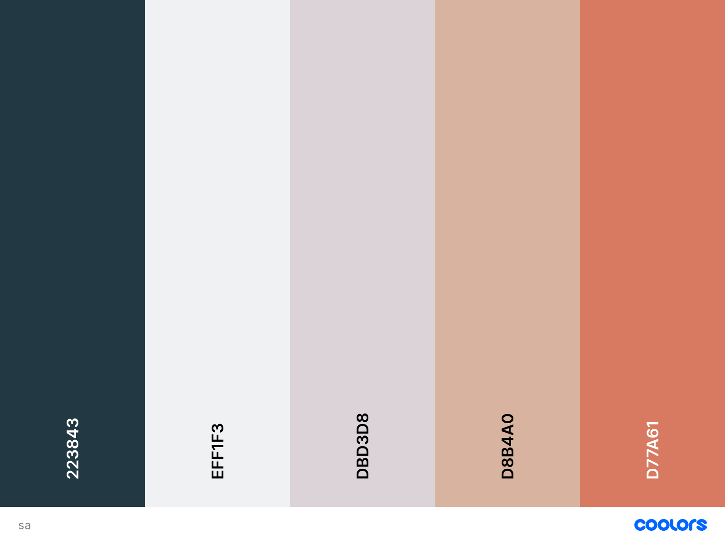
 | Sum of YELLOW CARD | Sum of RED CARD | Sum of FOULS
Robert elliot | 1 | 4 | 0
 | Sum of YELLOW CARDS | Sum of RED CARDS | Sum of FOULS | Sum of OUTSIDES
2017/18 | 52 | 2 | 245 | 63
2018/19 | 31 | 2 | 169 | 35
 | Sum of MATCH PLAYED | Sum of WINS | Sum of LOSSES | Sum of GOALS | Sum of GOALS CONCEDED | Sum of CLEAN SHEETS | Sum of GOALS PER MATCH
2017/18 | 38 | 12 | 18 | 39 | 47 | 9 | 1.03
2018/19 | 23 | 5 | 12 | 19 | 31 | 7 | 0.83
 | 2018/19 - VERY POOR
Robert elliot | 55000
 | Sum of WINS | Sum of LOSSES
2018/19 | 5 | 9
 | Sum of GOAL | Sum of GOALS CONCEDED | Sum of CATCHES | Sum of OWN GOAL
Total | 0 | 21 | 4 | 0
 | Sum of GOAL | Sum of GOALS CONCEDED | Sum of CLEAN SHEETS | Sum of CATCHES | Sum of OWN GOAL | Sum of RED CARD | Sum of YELLOW CARD | Sum of FOULS
Defender | 5 | 147 | 29 | 0 | 1 | 0 | 16 | 97
Forward | 14 | 0 | 0 | 0 | 0 | 0 | 8 | 86
Goalkeeper | 0 | 74 | 13 | 11 | 1 | 11 | 2 | 1
Midfielder | 10 | 0 | 0 | 0 | 0 | 2 | 13 | 129
 | Sum of Television Broadcasting | Sum of Entertainment Mediums | Sum of Match Jerseys (Franchise display) | Sum of Match Jerseys (Online and offline stores)
Revenue gathered (£ Million) | 38 | 2.3 | 9.8 | 27
PLAYERS PERFORMANCE ANALYSIS FOR RETENTION STRATEGY
NEWCASTLE UNITED
PLAYER INFORMATION
Robert elliot
Goalkeeper
Nationality :
Position :
England
APPEARANCE
16
PERFORMANCE
VERY POOR
CARDS
WINING EVENTS
TEAM
YEARLY PAID & PERFORMANCE
MATCH
POSITION SUMMARY
GOALS

Dataset
|
PLAYER DATA
PLAYER | POSITION | NATIONALITY | YEAR | APPEARANCES | CLEAN SHEETS | WINS | LOSSES | GOAL | GOALS CONCEDED | CATCHES | OWN GOAL | YELLOW CARD | RED CARD | FOULS | PERFORMANCE RATING | COST PAID
Martin dubravka | Goalkeeper | Slovakia | 2018/19 | 23 | 7 | 5 | 12 | 0 | 31 | 5 | 0 | 0 | 5 | 0 | VERY POOR | £100,000
Martin dubravka | Goalkeeper | Slovakia | 2017/18 | 12 | 4 | 6 | 5 | 0 | 11 | 1 | 0 | 1 | 1 | 0 | AVERAGE | £100,000
Karl darlow | Goalkeeper | England | 2018/19 | 13 | 9 | 4 | 9 | 0 | 20 | 3 | 0 | 0 | 3 | 0 | VERY POOR | £90,000
Karl darlow | Goalkeeper | England | 2017/18 | 19 | 5 | 4 | 7 | 0 | 26 | 5 | 1 | 1 | 5 | 1 | VERY POOR | £90,000
Robert elliot | Goalkeeper | England | 2018/19 | 16 | 3 | 5 | 9 | 0 | 21 | 4 | 0 | 1 | 4 | 0 | VERY POOR | £55,000
Robert elliot | Goalkeeper | England | 2017/18 | 21 | 4 | 6 | 11 | 0 | 37 | 5 | 0 | 0 | 5 | 0 | VERY POOR | £55,000
Ciaran clark | Defender | Ireland | 2018/19 | 11 | 2 | 3 | 7 | 3 | 15 | 0 | 0 | 1 | 0 | 6 | VERY POOR | £75,000
Ciaran clark | Defender | Ireland | 2017/18 | 20 | 4 | 5 | 9 | 2 | 30 | 0 | 0 | 3 | 0 | 17 | VERY POOR | £75,000
Paul dummett | Defender | Wales | 2018/19 | 15 | 5 | 3 | 7 | 0 | 17 | 0 | 0 | 0 | 0 | 7 | VERY POOR | £96,000
Paul dummett | Defender | Wales | 2017/18 | 20 | 5 | 7 | 8 | 0 | 18 | 0 | 0 | 1 | 0 | 8 | AVERAGE | £96,000
Jamaal lascelles | Defender | England | 2018/19 | 19 | 6 | 3 | 10 | 0 | 22 | 0 | 0 | 2 | 0 | 10 | VERY POOR | £140,000
Jamaal lascelles | Defender | England | 2017/18 | 33 | 9 | 12 | 14 | 3 | 31 | 0 | 0 | 5 | 0 | 16 | AVERAGE | £140,000
DeAndre yedlin | Defender | United states | 2018/19 | 21 | 4 | 4 | 12 | 1 | 30 | 0 | 1 | 4 | 1 | 32 | VERY POOR | £60,000
DeAndre yedlin | Defender | United states | 2017/18 | 34 | 7 | 10 | 16 | 0 | 37 | 0 | 1 | 5 | 0 | 32 | VERY POOR | £60,000
Javier Manquillo | Defender | Spain | 2018/19 | 10 | 1 | 2 | 5 | 0 | 8 | 0 | 0 | 1 | 0 | 7 | AVERAGE | £109,000
Javier Manquillo | Defender | Spain | 2017/18 | 21 | 4 | 5 | 13 | 0 | 31 | 0 | 0 | 2 | 0 | 24 | VERY POOR | £109,000
Mohamed Diame | Midfielder | Senegal | 2018/19 | 21 | 0 | 4 | 11 | 0 | 0 | 0 | 0 | 3 | 0 | 31 | VERY POOR | £88,000
Mohamed Diame | Midfielder | Senegal | 2017/18 | 31 | 0 | 12 | 14 | 2 | 0 | 0 | 0 | 3 | 0 | 44 | VERY POOR | £88,000
Matt Ritchie | Midfielder | Scotland | 2018/19 | 21 | 0 | 5 | 11 | 0 | 0 | 0 | 0 | 6 | 0 | 36 | VERY POOR | £76,000
Matt Ritchie | Midfielder | Scotland | 2017/18 | 35 | 0 | 12 | 15 | 3 | 0 | 0 | 0 | 6 | 0 | 37 | POOR | £76,000
Christrian Atsu | Midfielder | Ghana | 2018/19 | 16 | 0 | 3 | 8 | 0 | 0 | 0 | 0 | 2 | 0 | 12 | VERY POOR | £92,000
Christrian Atsu | Midfielder | Ghana | 2017/18 | 28 | 0 | 10 | 11 | 2 | 0 | 0 | 0 | 1 | 0 | 10 | VERY POOR | £92,000
Kenedy | Midfielder | Brazil | 2018/19 | 18 | 0 | 4 | 10 | 1 | 0 | 0 | 0 | 1 | 0 | 18 | VERY POOR | £100,000
Kenedy | Midfielder | Brazil | 2017/18 | 13 | 0 | 5 | 5 | 2 | 0 | 0 | 0 | 1 | 0 | 15 | VERY POOR | £100,000
Jonjo shelvey | Midfielder | England | 2018/19 | 11 | 0 | 1 | 6 | 0 | 0 | 0 | 0 | 0 | 0 | 12 | VERY POOR | £98,000
Jonjo shelvey | Midfielder | England | 2017/18 | 30 | 0 | 9 | 14 | 1 | 0 | 0 | 0 | 2 | 2 | 23 | VERY POOR | £98,000
Ayoze parez | Forward | Spain | 2018/19 | 22 | 0 | 5 | 11 | 3 | 0 | 0 | 0 | 0 | 0 | 27 | POOR | £110,000
Ayoze parez | Forward | Spain | 2017/18 | 36 | 0 | 12 | 16 | 8 | 0 | 0 | 0 | 3 | 0 | 36 | AVERAGE | £110,000
Joselu | Forward | Spain | 2018/19 | 14 | 0 | 1 | 10 | 2 | 0 | 0 | 0 | 1 | 0 | 5 | VERY POOR | £120,000
Joselu | Forward | Spain | 2017/18 | 30 | 0 | 10 | 14 | 4 | 0 | 0 | 0 | 2 | 0 | 30 | POOR | £120,000
Yoshinori muto | Forward | Japan | 2018/19 | 12 | 0 | 1 | 8 | 1 | 0 | 0 | 0 | 2 | 0 | 15 | VERY POOR | £72,000
Yoshinori muto | Forward | Japan | 2017/18 | 8 | 0 | 1 | 7 | 1 | 0 | 0 | 0 | 1 | 0 | 12 | VERY POOR | £72,000
Salomom randon | Forward | Venezuala | 2018/19 | 17 | 0 | 5 | 7 | 5 | 0 | 0 | 0 | 1 | 0 | 12 | POOR | £103,000
Salomom randon | Forward | Venezuala | 2017/18 | 9 | 0 | 1 | 7 | 1 | 0 | 0 | 0 | 2 | 0 | 8 | VERY POOR | £103,000

SEASON
YEAR | MATCH PLAYED | WINS | LOSSES | GOALS | GOALS CONCEDED | CLEAN SHEETS | GOALS PER MATCH
2017/18 | 38 | 12 | 18 | 39 | 47 | 9 | 1.03
2018/19 | 23 | 5 | 12 | 19 | 31 | 7 | 0.83

TEAM DISCIPLINE
YEAR | 2017/18 | 2018/19
YELLOW CARDS | 52 | 31
RED CARDS | 2 | 2
FOULS | 245 | 169
OUTSIDES | 63 | 35

YEAR | YELLOW CARDS | RED CARDS | FOULS | OUTSIDES
2017/18 | 52 | 2 | 245 | 63
2018/19 | 31 | 2 | 169 | 35
REVENUE

Advertisement Medium | Television Broadcasting | Entertainment Mediums | Match Jerseys (Franchise display) | Match Jerseys (Online and offline stores)
Revenue gathered (£ Million) | 38 | 2.3 | 9.8 | 27

Active
 | Column Labels |  |  |  |  |  |  |  |  | Row Labels | Sum of YELLOW CARD | Sum of RED CARD | Sum of FOULS |  | Sum of COST PAID | Column Labels |  |  |  | Row Labels | Sum of WINS | Sum of LOSSES | Sum of GOAL | Sum of GOALS CONCEDED | Sum of CATCHES | Sum of OWN GOAL
 | Sum of APPEARANCES | Sum of COST PAID | Total Sum of APPEARANCES | Total Sum of COST PAID |  |  |  |  |  | Robert elliot | 1 | 4 | 0 |  |  | 2018/19 | 2018/19 Total | Grand Total |  | 2018/19 | 5 | 9 | 0 | 21 | 4 | 0
Row Labels | 2018/19 | 2018/19 |  |  |  |  |  |  |  | Grand Total | 1 | 4 | 0 |  | Row Labels | VERY POOR |  |  |  | Grand Total | 5 | 9
Robert elliot | 16 | 55000 | 16 | 55000 |  |  |  |  |  |  |  |  |  |  | Robert elliot | 55000 | 55000 | 55000
England | 16 | 55000 | 16 | 55000 |  |  |  | Information | Values |  |  |  |  |  | Grand Total | 55000 | 55000 | 55000
Goalkeeper | 16 | 55000 | 16 | 55000 |  |  |  | Name | Robert elliot
VERY POOR | 16 | 55000 | 16 | 55000 |  |  |  | Position | Goalkeeper
Grand Total | 16 | 55000 | 16 | 55000 |  |  |  | Country | England
 |  |  |  |  |  |  |  | Performance | VERY POOR
 |  |  |  |  |  |  |  | Appearances | 16

Row Labels | Sum of MATCH PLAYED | Sum of WINS | Sum of LOSSES | Sum of GOALS | Sum of GOALS CONCEDED | Sum of CLEAN SHEETS | Sum of GOALS PER MATCH |  |  | Row Labels | Sum of YELLOW CARDS | Sum of RED CARDS | Sum of FOULS | Sum of OUTSIDES | Row Labels | Sum of Television Broadcasting | Sum of Entertainment Mediums | Sum of Match Jerseys (Franchise display) | Sum of Match Jerseys (Online and offline stores)
2017/18 | 38 | 12 | 18 | 39 | 47 | 9 | 1.03 |  |  | 2017/18 | 52 | 2 | 245 | 63 | Revenue gathered (£ Million) | 38 | 2.3 | 9.8 | 27
2018/19 | 23 | 5 | 12 | 19 | 31 | 7 | 0.83 |  |  | 2018/19 | 31 | 2 | 169 | 35 | Grand Total | 38 | 2.3 | 9.8 | 27
Grand Total | 61 | 17 | 30 | 58 | 78 | 16 | 1.86 |  |  | Grand Total | 83 | 4 | 414 | 98

